US
U.S.

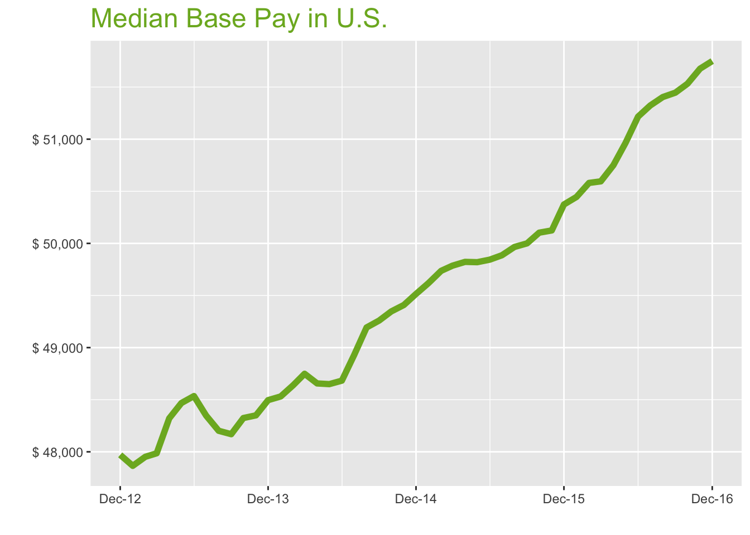
Dec-16

Job Title

Design
 | Median Base Pay | YoY
Graphic Designer | $44,657 | 5.0%
Education
 | Median Base Pay | YoY
Professor | $91,514 | -1.4%
Teacher | $45,390 | 4.8%
Engineering
 | Median Base Pay | YoY
Mechanical Engineer | $74,025 | -1.3%
Design Engineer | $73,276 | 1.6%
Electrical Engineer | $80,008 | 2.6%
Quality Engineer | $73,338 | -2.9%
Field Engineer | $68,731 | 1.7%
Finance
 | Median Base Pay | YoY
Financial Analyst | $62,156 | -0.6%
Accountant | $55,176 | 3.8%
Bank Teller | $27,754 | 2.7%
Tax Manager | $90,795 | 0.0%
Insurance Agent | $37,233 | 0.3%
Health
 | Median Base Pay | YoY
Registered Nurse | $62,044 | 3.5%
Physical Therapist | $73,263 | 3.7%
Pharmacy Technician | $31,290 | 5.2%
Medical Assistant | $33,145 | 2.8%
Physician | $202,395 | 2.3%
Medical Technologist | $52,802 | -1.2%
Emergency Medical Technician | $36,265 | 1.6%
Human Resources
 | Median Base Pay | YoY
Recruiter | $51,833 | 6.7%
Human Resources Manager | $69,390 | 0.1%
Labor
 | Median Base Pay | YoY
Technician | $46,525 | 4.7%
Warehouse Associate | $43,609 | 7.2%
Truck Driver | $51,841 | 1.8%
Machine Operator | $38,558 | 7.6%
Construction Laborer | $38,321 | 9.4%
Maintenance Worker | $42,737 | 4.1%
Law
 | Median Base Pay | YoY | Year | Median Base Pay | YOY
Attorney | $93,453 | 4.8% | 2016-12-01 | $51,750 | 2.7%
Paralegal | $45,793 | 2.9% | 2016-11-01 | $51,677 | 3.1%
Manufacturing |  |  | 2016-10-01 | $51,532 | 2.9%
 | Median Base Pay | YoY | 2016-09-01 | $51,446 | 2.9%
Production Manager | $67,285 | 3.9% | 2016-08-01 | $51,404 | 2.9%
Manufacturing Engineer | $70,619 | 1.2% | 2016-07-01 | $51,323 | 2.9%
Media |  |  | 2016-06-01 | $51,217 | 2.8%
 | Median Base Pay | YoY | 2016-05-01 | $50,964 | 2.3%
Producer | $51,799 | 6.4% | 2016-04-01 | $50,750 | 1.9%
Technical Editor | $51,850 | 2.3% | 2016-03-01 | $50,595 | 1.6%
Operations |  |  | 2016-02-01 | $50,580 | 1.7%
 | Median Base Pay | YoY | 2016-01-01 | $50,446 | 1.7%
Operations Manager | $64,748 | 4.9% | 2015-12-01 | $50,373 | 1.7%
Operations Analyst | $53,994 | 3.4% | 2015-11-01 | $50,124 | 1.4%
Professional Services |  |  | 2015-10-01 | $50,103 | 1.5%
 | Median Base Pay | YoY | 2015-09-01 | $50,000 | 1.5%
Consultant | $74,388 | 1.5% | 2015-08-01 | $49,966 | 1.6%
Project Manager | $75,719 | 0.8% | 2015-07-01 | $49,886 | 2.0%
Business Analyst | $63,676 | 1.7% | 2015-06-01 | $49,844 | 2.4%
Administrative Assistant | $37,759 | 1.5% | 2015-05-01 | $49,820 | 2.4%
Marketing Manager | $68,554 | 3.4% | 2015-04-01 | $49,823 | 2.4%
Product Manager | $94,391 | 6.3% | 2015-03-01 | $49,786 | 2.1%
Customer Service Manager | $50,526 | 7.4% | 2015-02-01 | $49,737 | 2.3%
Business Development Manager | $70,195 | 4.2% | 2015-01-01 | $49,620 | 2.2%
Communications Manager | $65,954 | -1.7% | 2014-12-01 | $49,515 | 2.1%
Real Estate |  |  | 2014-11-01 | $49,409 | 2.2%
 | Median Base Pay | YoY | 2014-10-01 | $49,347 | 2.1%
Property Manager | $46,510 | 4.1% | 2014-09-01 | $49,260 | 2.3%
Food Services |  |  | 2014-08-01 | $49,193 | 2.1%
 | Median Base Pay | YoY | 2014-07-01 | $48,926 | 1.2%
Restaurant Cook | $29,797 | 2.8% | 2014-06-01 | $48,683 | 0.3%
Retail |  |  | 2014-05-01 | $48,650 | 0.4%
 | Median Base Pay | YoY | 2014-04-01 | $48,656 | 0.7%
Store Manager | $46,581 | 3.5% | 2014-03-01 | $48,749 | 1.6%
Cashier | $28,787 | 4.5% | 2014-02-01 | $48,640 | 1.4%
Buyer | $57,189 | 1.0% | 2014-01-01 | $48,531 | 1.4%
Retail Key Holder | $32,264 | 5.4% | 2013-12-01 | $48,496 | 1.1%
Sales |  |  | 2013-11-01 | $48,350
 | Median Base Pay | YoY | 2013-10-01 | $48,324
Sales Representative | $46,292 | 3.3% | 2013-09-01 | $48,169
Sales Manager | $58,710 | 3.0% | 2013-08-01 | $48,202
Technology |  |  | 2013-07-01 | $48,348
 | Median Base Pay | YoY | 2013-06-01 | $48,535
Software Engineer | $86,413 | 0.6% | 2013-05-01 | $48,468
Programmer Analyst | $64,146 | 0.0% | 2013-04-01 | $48,321
Web Developer | $65,547 | 2.8% | 2013-03-01 | $47,986
Data Scientist | $92,379 | 3.4% | 2013-02-01 | $47,952
Data Analyst | $59,127 | 5.7% | 2013-01-01 | $47,866
Java Developer | $73,697 | 1.6% | 2012-12-01 | $47,971
Web Designer | $61,039 | 4.7%

U.S. Quick Facts

 | Dec-16 | YoY
U.S. Median Pay | $51,750 | 2.7%

Industry

 | Median Base Pay
Accounting & Legal | $52,126
Aerospace & Defense | $56,042
Architecture & Civil Engineering | $53,099
Arts & Entertainment | $46,018
Automotive | $46,850
Banking & Financial Services | $51,518
Beauty & Fitness | $45,437
Biotech & Pharmaceuticals | $55,196
Business Services | $49,260
Computer Software & Hardware | $53,019
Construction | $51,989
Consulting | $52,726
Consumer Electronics | $44,252
Consumer Services | $46,985
Education & Schools | $46,529
Energy & Utilities | $57,892
Facilities | $46,728
Farming & Agriculture | $51,823
Government | $51,388
Health Care & Hospitals | $49,746
Information Technology | $51,563
Insurance | $51,805
Internet & Tech | $51,684
Manufacturing | $52,401
Marketing & Advertising | $48,578
Media & Publishing | $49,840
Nonprofit | $46,210
Private Security | $46,913
Real Estate | $48,983
Recruiting & Staffing | $48,645
Restaurants & Bars | $45,668
Retail | $46,693
Supermarkets | $46,728
Telecommunications | $50,400
Transportation & Logistics | $49,064
Travel & Tourism | $46,505
Wholesale | $50,571

Employer Size

 | Median Base Pay
<51 | $47,119
51-200 | $48,317
201-500 | $49,132
501-1000 | $49,877
1001-5000 | $51,245
5000+ | $52,180

SF
San Francisco Metro
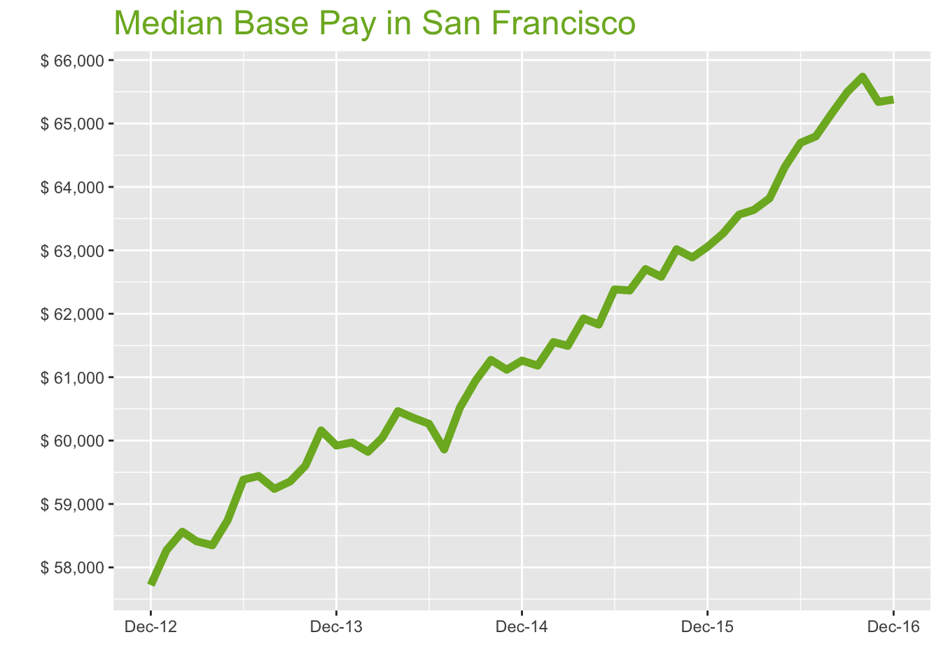
Dec-16

Job Title

Design
 | Median Base Pay | YoY
Graphic Designer | $67,160 | 6.8%
Education
 | Median Base Pay | YoY
Professor | $138,775 | 0.3%
Teacher | $62,790 | 6.6%
Engineering
 | Median Base Pay | YoY
Mechanical Engineer | $93,459 | 0.4%
Design Engineer | $96,055 | 3.3%
Electrical Engineer | $101,255 | 4.3%
Quality Engineer | $88,326 | -1.3%
Field Engineer | $81,364 | 3.4%
Finance
 | Median Base Pay | YoY
Financial Analyst | $80,468 | 1.1%
Accountant | $69,344 | 5.6%
Bank Teller | $32,056 | 4.4%
Tax Manager | $115,281 | 1.7%
Insurance Agent | $42,942 | 2.0%
Health
 | Median Base Pay | YoY
Registered Nurse | $117,201 | 5.2%
Physical Therapist | $95,731 | 5.4%
Pharmacy Technician | $45,991 | 7.0%
Medical Assistant | $50,623 | 4.6%
Physician | $256,279 | 4.0%
Medical Technologist | $66,859 | 0.4%
Emergency Medical Technician | $42,728 | 3.3%
Human Resources
 | Median Base Pay | YoY
Recruiter | $69,818 | 8.5%
Human Resources Manager | $100,400 | 1.8%
Labor
 | Median Base Pay | YoY
Technician | $59,277 | 6.4%
Warehouse Associate | $55,220 | 9.0%
Truck Driver | $65,070 | 3.5%
Machine Operator | $48,823 | 9.4%
Construction Laborer | $48,523 | 11.3%
Maintenance Worker | $54,114 | 5.8%
Law
 | Median Base Pay | YoY
Attorney | $140,723 | 6.6%
Paralegal | $65,059 | 4.6%
Manufacturing
 | Median Base Pay | YoY
Production Manager | $90,757 | 5.6%
Manufacturing Engineer | $91,828 | 2.8%
Media
 | Median Base Pay | YoY
Producer | $85,023 | 8.2%
Technical Editor | $71,310 | 4.0%
Operations
 | Median Base Pay | YoY
Operations Manager | $82,457 | 6.7%
Operations Analyst | $72,438 | 5.1%
Professional Services
 | Median Base Pay | YoY
Consultant | $98,096 | 3.2%
Project Manager | $95,668 | 2.4%
Business Analyst | $82,925 | 3.4%
Administrative Assistant | $52,549 | 3.2%
Marketing Manager | $96,700 | 5.1%
Product Manager | $127,474 | 8.1%
Customer Service Manager | $63,587 | 9.2%
Business Development Manager | $88,651 | 5.9%
Communications Manager | $93,017 | 0.0%
Real Estate
 | Median Base Pay | YoY
Property Manager | $64,970 | 5.8%
Food Services
 | Median Base Pay | YoY
Restaurant Cook | $37,030 | 4.5%
Retail
 | Median Base Pay | YoY
Store Manager | $61,645 | 5.3%
Cashier | $34,237 | 6.2%
Buyer | $79,177 | 2.7%
Retail Key Holder | $40,666 | 7.2%
Sales
 | Median Base Pay | YoY
Sales Representative | $58,309 | 5.1%
Sales Manager | $77,158 | 4.7%
Technology
 | Median Base Pay | YoY
Software Engineer | $118,518 | 2.3%
Programmer Analyst | $83,182 | 1.6%
Web Developer | $98,905 | 4.5%
Data Scientist | $135,697 | 5.1%
Data Analyst | $88,539 | 7.4%
Java Developer | $105,968 | 3.3%
Web Designer | $90,418 | 6.5%

San Francisco Quick Facts

 | Dec-16 | YoY
San Francisco Median Pay | $65,379 | 3.7%
U.S. Median Pay | $51,750 | 2.7%
Job Openings | 109,629 | 13.6%
 | Oct-16 | YoY
Labor Force Size* | 2,586,311 | 2.7%
Total Employment* | 2,486,164 | 2.9%
Unemployment Rate* | 3.90% | -0.2%

Industry

 | Median Base Pay
Accounting & Legal | $66,004
Aerospace & Defense | $70,962
Architecture & Civil Engineering | $67,236
Arts & Entertainment | $58,270
Automotive | $59,323
Banking & Financial Services | $65,234
Beauty & Fitness | $57,533
Biotech & Pharmaceuticals | $69,891
Business Services | $62,374
Computer Software & Hardware | $67,135
Construction | $65,830
Consulting | $66,763
Consumer Electronics | $56,034
Consumer Services | $59,494
Education & Schools | $58,916
Energy & Utilities | $73,304
Facilities | $59,168
Farming & Agriculture | $65,620
Government | $65,069
Health Care & Hospitals | $62,989
Information Technology | $65,291
Insurance | $65,598
Internet & Tech | $65,444
Manufacturing | $66,352
Marketing & Advertising | $61,511
Media & Publishing | $63,109
Nonprofit | $58,512
Private Security | $59,403
Real Estate | $62,024
Recruiting & Staffing | $61,596
Restaurants & Bars | $57,827
Retail | $59,124
Supermarkets | $59,169
Telecommunications | $63,818
Transportation & Logistics | $62,127
Travel & Tourism | $58,886
Wholesale | $64,034

Employer Size

 | Median Base Pay
<51 | $59,664
51-200 | $61,180
201-500 | $62,213
501-1000 | $63,156
1001-5000 | $64,888
5000+ | $66,072

LA
Los Angeles Metro
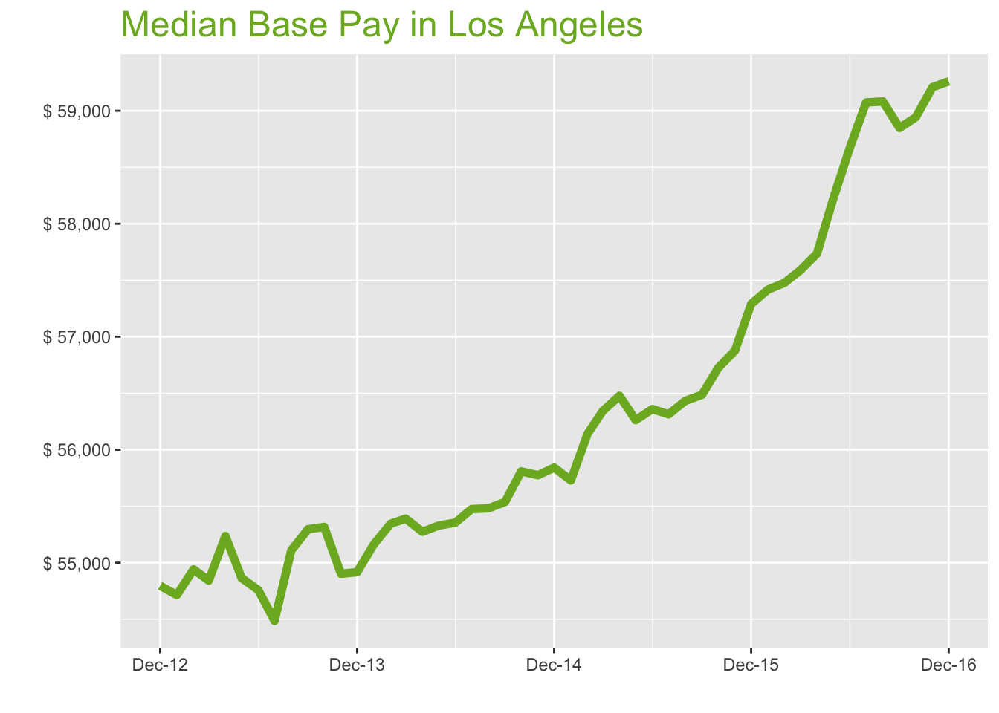
Dec-16

Job Title

Design
 | Median Base Pay | YoY
Graphic Designer | $56,531 | 4.7%
Education
 | Median Base Pay | YoY
Professor | $121,586 | -1.6%
Teacher | $59,427 | 4.5%
Engineering
 | Median Base Pay | YoY
Mechanical Engineer | $81,606 | -1.5%
Design Engineer | $86,254 | 1.3%
Electrical Engineer | $89,526 | 2.3%
Quality Engineer | $82,322 | -3.2%
Field Engineer | $74,825 | 1.4%
Finance
 | Median Base Pay | YoY
Financial Analyst | $69,909 | -0.8%
Accountant | $60,580 | 3.6%
Bank Teller | $29,899 | 2.4%
Tax Manager | $105,465 | -0.2%
Insurance Agent | $41,217 | 0.0%
Health
 | Median Base Pay | YoY
Registered Nurse | $87,686 | 3.2%
Physical Therapist | $92,083 | 3.4%
Pharmacy Technician | $36,971 | 4.9%
Medical Assistant | $37,959 | 2.6%
Physician | $230,780 | 2.0%
Medical Technologist | $60,207 | -1.5%
Emergency Medical Technician | $34,376 | 1.3%
Human Resources
 | Median Base Pay | YoY
Recruiter | $59,999 | 6.4%
Human Resources Manager | $86,242 | -0.2%
Labor
 | Median Base Pay | YoY
Technician | $53,025 | 4.4%
Warehouse Associate | $48,209 | 6.9%
Truck Driver | $55,043 | 1.5%
Machine Operator | $35,934 | 7.3%
Construction Laborer | $40,333 | 9.1%
Maintenance Worker | $45,775 | 3.8%
Law
 | Median Base Pay | YoY
Attorney | $127,855 | 4.5%
Paralegal | $54,878 | 2.6%
Manufacturing
 | Median Base Pay | YoY
Production Manager | $80,308 | 3.6%
Manufacturing Engineer | $78,835 | 0.9%
Media
 | Median Base Pay | YoY
Producer | $82,360 | 6.2%
Technical Editor | $59,122 | 2.0%
Operations
 | Median Base Pay | YoY
Operations Manager | $74,075 | 4.6%
Operations Analyst | $62,011 | 3.1%
Professional Services
 | Median Base Pay | YoY
Consultant | $91,908 | 1.2%
Project Manager | $86,774 | 0.5%
Business Analyst | $72,606 | 1.4%
Administrative Assistant | $46,484 | 1.2%
Marketing Manager | $81,673 | 3.1%
Product Manager | $107,440 | 6.0%
Customer Service Manager | $58,238 | 7.1%
Business Development Manager | $79,953 | 3.9%
Communications Manager | $76,152 | -2.0%
Real Estate
 | Median Base Pay | YoY
Property Manager | $57,937 | 3.8%
Food Services
 | Median Base Pay | YoY
Restaurant Cook | $33,159 | 2.5%
Retail
 | Median Base Pay | YoY
Store Manager | $58,136 | 3.3%
Cashier | $31,388 | 4.2%
Buyer | $63,517 | 0.7%
Retail Key Holder | $36,316 | 5.1%
Sales
 | Median Base Pay | YoY
Sales Representative | $52,886 | 3.1%
Sales Manager | $71,032 | 2.7%
Technology
 | Median Base Pay | YoY
Software Engineer | $98,725 | 0.4%
Programmer Analyst | $73,298 | -0.3%
Web Developer | $78,437 | 2.5%
Data Scientist | $116,165 | 3.1%
Data Analyst | $70,447 | 5.4%
Java Developer | $88,879 | 1.4%
Web Designer | $68,914 | 4.4%

Los Angeles Quick Facts

 | Dec-16 | YoY
Los Angeles Median Pay | $59,260 | 3.4%
U.S. Median Pay | $51,750 | 2.7%
Job Openings | 163,061 | 11.1%
 | Oct-16 | YoY
Labor Force Size* | 6,785,543 | 2.9%
Total Employment* | 6,457,357 | 3.7%
Unemployment Rate* | 4.80% | -0.8%

Industry

 | Median Base Pay
Accounting & Legal | $59,436
Aerospace & Defense | $63,901
Architecture & Civil Engineering | $60,546
Arts & Entertainment | $52,472
Automotive | $53,421
Banking & Financial Services | $58,744
Beauty & Fitness | $51,809
Biotech & Pharmaceuticals | $62,937
Business Services | $56,168
Computer Software & Hardware | $60,455
Construction | $59,281
Consulting | $60,120
Consumer Electronics | $50,459
Consumer Services | $53,575
Education & Schools | $53,054
Energy & Utilities | $66,011
Facilities | $53,281
Farming & Agriculture | $59,091
Government | $58,595
Health Care & Hospitals | $56,722
Information Technology | $58,794
Insurance | $59,071
Internet & Tech | $58,932
Manufacturing | $59,750
Marketing & Advertising | $55,391
Media & Publishing | $56,830
Nonprofit | $52,690
Private Security | $53,493
Real Estate | $55,853
Recruiting & Staffing | $55,467
Restaurants & Bars | $52,073
Retail | $53,242
Supermarkets | $53,282
Telecommunications | $57,468
Transportation & Logistics | $55,945
Travel & Tourism | $53,027
Wholesale | $57,663

Employer Size

 | Median Base Pay
<51 | $53,727
51-200 | $55,093
201-500 | $56,023
501-1000 | $56,872
1001-5000 | $58,432
5000+ | $59,498

CHI
Chicago Metro
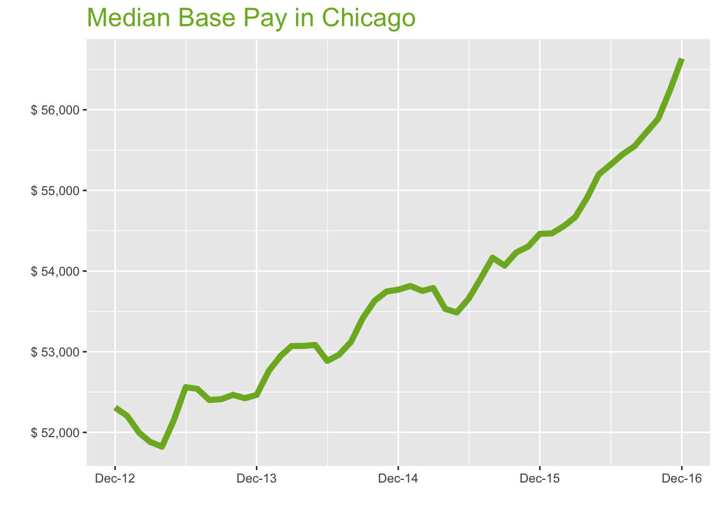
Dec-16

Job Title

Design
 | Median Base Pay | YoY
Graphic Designer | $50,062 | 7.2%
Education
 | Median Base Pay | YoY
Professor | $104,806 | 0.7%
Teacher | $53,154 | 7.0%
Engineering
 | Median Base Pay | YoY
Mechanical Engineer | $75,380 | 0.8%
Design Engineer | $78,695 | 3.7%
Electrical Engineer | $83,618 | 4.7%
Quality Engineer | $76,418 | -0.9%
Field Engineer | $69,863 | 3.8%
Finance
 | Median Base Pay | YoY
Financial Analyst | $66,279 | 1.5%
Accountant | $60,346 | 6.0%
Bank Teller | $28,685 | 4.8%
Tax Manager | $102,832 | 2.1%
Insurance Agent | $38,058 | 2.4%
Health
 | Median Base Pay | YoY
Registered Nurse | $71,228 | 5.6%
Physical Therapist | $77,734 | 5.8%
Pharmacy Technician | $33,803 | 7.4%
Medical Assistant | $36,871 | 4.9%
Physician | $221,923 | 4.4%
Medical Technologist | $54,928 | 0.8%
Emergency Medical Technician | $33,921 | 3.7%
Human Resources
 | Median Base Pay | YoY
Recruiter | $53,796 | 8.9%
Human Resources Manager | $85,773 | 2.2%
Labor
 | Median Base Pay | YoY
Technician | $49,157 | 6.8%
Warehouse Associate | $52,131 | 9.4%
Truck Driver | $54,890 | 3.9%
Machine Operator | $40,476 | 9.8%
Construction Laborer | $42,356 | 11.7%
Maintenance Worker | $45,327 | 6.2%
Law
 | Median Base Pay | YoY
Attorney | $115,391 | 7.0%
Paralegal | $53,866 | 5.0%
Manufacturing
 | Median Base Pay | YoY
Production Manager | $72,078 | 6.0%
Manufacturing Engineer | $74,848 | 3.2%
Media
 | Median Base Pay | YoY
Producer | $66,912 | 8.6%
Technical Editor | $56,853 | 4.4%
Operations
 | Median Base Pay | YoY
Operations Manager | $69,771 | 7.1%
Operations Analyst | $63,151 | 5.5%
Professional Services
 | Median Base Pay | YoY
Consultant | $89,350 | 3.5%
Project Manager | $84,176 | 2.8%
Business Analyst | $73,387 | 3.8%
Administrative Assistant | $43,774 | 3.6%
Marketing Manager | $80,578 | 5.5%
Product Manager | $101,519 | 8.5%
Customer Service Manager | $56,140 | 9.6%
Business Development Manager | $75,460 | 6.3%
Communications Manager | $72,452 | 0.3%
Real Estate
 | Median Base Pay | YoY
Property Manager | $55,055 | 6.2%
Food Services
 | Median Base Pay | YoY
Restaurant Cook | $31,382 | 4.9%
Retail
 | Median Base Pay | YoY
Store Manager | $52,147 | 5.7%
Cashier | $30,410 | 6.6%
Buyer | $66,576 | 3.1%
Retail Key Holder | $35,198 | 7.6%
Sales
 | Median Base Pay | YoY
Sales Representative | $51,556 | 5.5%
Sales Manager | $68,457 | 5.1%
Technology
 | Median Base Pay | YoY
Software Engineer | $89,157 | 2.7%
Programmer Analyst | $70,795 | 2.0%
Web Developer | $76,408 | 4.9%
Data Scientist | $101,879 | 5.5%
Data Analyst | $65,734 | 7.8%
Java Developer | $86,451 | 3.7%
Web Designer | $71,859 | 6.9%

Chicago Quick Facts

 | Dec-16 | YoY
Chicago Median Pay | $56,635 | 4.0%
U.S. Median Pay | $51,750 | 2.7%
Job Openings | 156,995 | 17.7%
 | Oct-16 | YoY
Labor Force Size* | 4,930,120 | 0.9%
Total Employment* | 4,657,782 | 0.6%
Unemployment Rate* | 5.50% | 0.2%

Industry

 | Median Base Pay
Accounting & Legal | $57,155
Aerospace & Defense | $61,449
Architecture & Civil Engineering | $58,222
Arts & Entertainment | $50,458
Automotive | $51,370
Banking & Financial Services | $56,489
Beauty & Fitness | $49,821
Biotech & Pharmaceuticals | $60,522
Business Services | $54,012
Computer Software & Hardware | $58,135
Construction | $57,005
Consulting | $57,813
Consumer Electronics | $48,522
Consumer Services | $51,519
Education & Schools | $51,018
Energy & Utilities | $63,478
Facilities | $51,236
Farming & Agriculture | $56,823
Government | $56,346
Health Care & Hospitals | $54,545
Information Technology | $56,538
Insurance | $56,804
Internet & Tech | $56,671
Manufacturing | $57,457
Marketing & Advertising | $53,265
Media & Publishing | $54,649
Nonprofit | $50,668
Private Security | $51,440
Real Estate | $53,709
Recruiting & Staffing | $53,339
Restaurants & Bars | $50,075
Retail | $51,198
Supermarkets | $51,237
Telecommunications | $55,263
Transportation & Logistics | $53,798
Travel & Tourism | $50,992
Wholesale | $55,450

Employer Size

 | Median Base Pay
<51 | $51,665
51-200 | $52,979
201-500 | $53,873
501-1000 | $54,689
1001-5000 | $56,189
5000+ | $57,215

HOU
Houston Metro
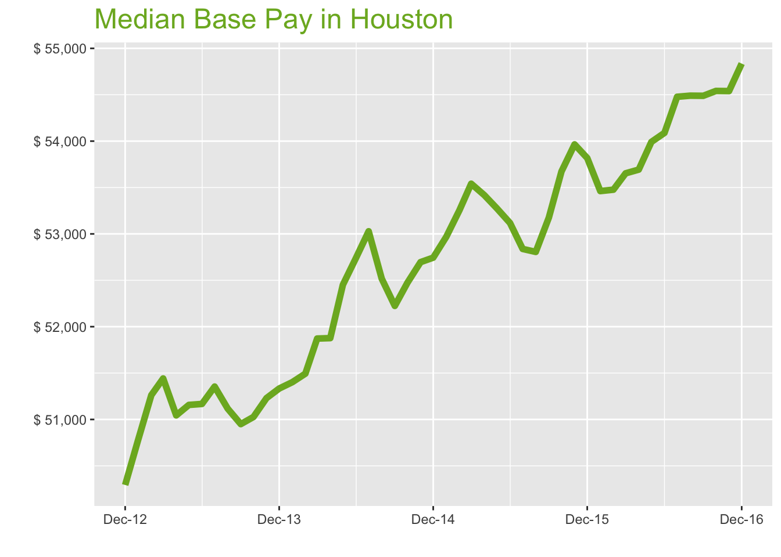
Dec-16

Job Title

Design
 | Median Base Pay | YoY
Graphic Designer | $48,148 | 6.0%
Education
 | Median Base Pay | YoY
Professor | $99,536 | -0.5%
Teacher | $50,443 | 5.8%
Engineering
 | Median Base Pay | YoY
Mechanical Engineer | $82,115 | -0.4%
Design Engineer | $84,724 | 2.6%
Electrical Engineer | $87,272 | 3.5%
Quality Engineer | $72,687 | -2.0%
Field Engineer | $71,421 | 2.6%
Finance
 | Median Base Pay | YoY
Financial Analyst | $69,045 | 0.3%
Accountant | $59,685 | 4.8%
Bank Teller | $28,035 | 3.6%
Tax Manager | $102,257 | 0.9%
Insurance Agent | $35,679 | 1.2%
Health
 | Median Base Pay | YoY
Registered Nurse | $72,968 | 4.4%
Physical Therapist | $79,152 | 4.6%
Pharmacy Technician | $33,566 | 6.2%
Medical Assistant | $36,416 | 3.8%
Physician | $215,561 | 3.2%
Medical Technologist | $57,508 | -0.3%
Emergency Medical Technician | $40,910 | 2.5%
Human Resources
 | Median Base Pay | YoY
Recruiter | $53,572 | 7.7%
Human Resources Manager | $80,533 | 1.0%
Labor
 | Median Base Pay | YoY
Technician | $50,430 | 5.7%
Warehouse Associate | $43,914 | 8.2%
Truck Driver | $54,253 | 2.7%
Machine Operator | $41,066 | 8.5%
Construction Laborer | $34,988 | 10.4%
Maintenance Worker | $43,988 | 5.1%
Law
 | Median Base Pay | YoY
Attorney | $126,727 | 5.8%
Paralegal | $51,587 | 3.8%
Manufacturing
 | Median Base Pay | YoY
Production Manager | $69,080 | 4.8%
Manufacturing Engineer | $76,715 | 2.1%
Media
 | Median Base Pay | YoY
Producer | $59,909 | 7.4%
Technical Editor | $55,223 | 3.2%
Operations
 | Median Base Pay | YoY
Operations Manager | $68,942 | 5.9%
Operations Analyst | $62,255 | 4.3%
Professional Services
 | Median Base Pay | YoY
Consultant | $85,665 | 2.4%
Project Manager | $86,647 | 1.7%
Business Analyst | $70,412 | 2.6%
Administrative Assistant | $42,004 | 2.4%
Marketing Manager | $76,563 | 4.3%
Product Manager | $101,600 | 7.3%
Customer Service Manager | $49,930 | 8.4%
Business Development Manager | $80,289 | 5.2%
Communications Manager | $69,446 | -0.8%
Real Estate
 | Median Base Pay | YoY
Property Manager | $52,791 | 5.0%
Food Services
 | Median Base Pay | YoY
Restaurant Cook | $28,256 | 3.7%
Retail
 | Median Base Pay | YoY
Store Manager | $50,211 | 4.5%
Cashier | $27,805 | 5.4%
Buyer | $61,398 | 1.9%
Retail Key Holder | $33,581 | 6.4%
Sales
 | Median Base Pay | YoY
Sales Representative | $50,189 | 4.3%
Sales Manager | $66,475 | 3.9%
Technology
 | Median Base Pay | YoY
Software Engineer | $84,353 | 1.6%
Programmer Analyst | $66,990 | 0.9%
Web Developer | $72,282 | 3.7%
Data Scientist | $98,388 | 4.3%
Data Analyst | $63,457 | 6.6%
Java Developer | $78,491 | 2.6%
Web Designer | $65,009 | 5.7%

Houston Quick Facts

 | Dec-16 | YoY
Houston Median Pay | $54,836 | 1.9%
U.S. Median Pay | $51,750 | 2.7%
Job Openings | 71,024 | -0.9%
 | Oct-16 | YoY
Labor Force Size* | 3,296,157 | 1.2%
Total Employment* | 3,129,194 | 0.8%
Unemployment Rate* | 5.10% | 0.4%

Industry

 | Median Base Pay
Accounting & Legal | $55,517
Aerospace & Defense | $59,687
Architecture & Civil Engineering | $56,553
Arts & Entertainment | $49,012
Automotive | $49,898
Banking & Financial Services | $54,870
Beauty & Fitness | $48,392
Biotech & Pharmaceuticals | $58,787
Business Services | $52,464
Computer Software & Hardware | $56,468
Construction | $55,371
Consulting | $56,156
Consumer Electronics | $47,131
Consumer Services | $50,042
Education & Schools | $49,555
Energy & Utilities | $61,658
Facilities | $49,767
Farming & Agriculture | $55,194
Government | $54,731
Health Care & Hospitals | $52,981
Information Technology | $54,917
Insurance | $55,175
Internet & Tech | $55,046
Manufacturing | $55,810
Marketing & Advertising | $51,738
Media & Publishing | $53,082
Nonprofit | $49,215
Private Security | $49,965
Real Estate | $52,169
Recruiting & Staffing | $51,809
Restaurants & Bars | $48,639
Retail | $49,731
Supermarkets | $49,768
Telecommunications | $53,679
Transportation & Logistics | $52,256
Travel & Tourism | $49,530
Wholesale | $53,860

Employer Size

 | Median Base Pay
<51 | $50,184
51-200 | $51,460
201-500 | $52,328
501-1000 | $53,121
1001-5000 | $54,578
5000+ | $55,574

NYC
New York City Metro
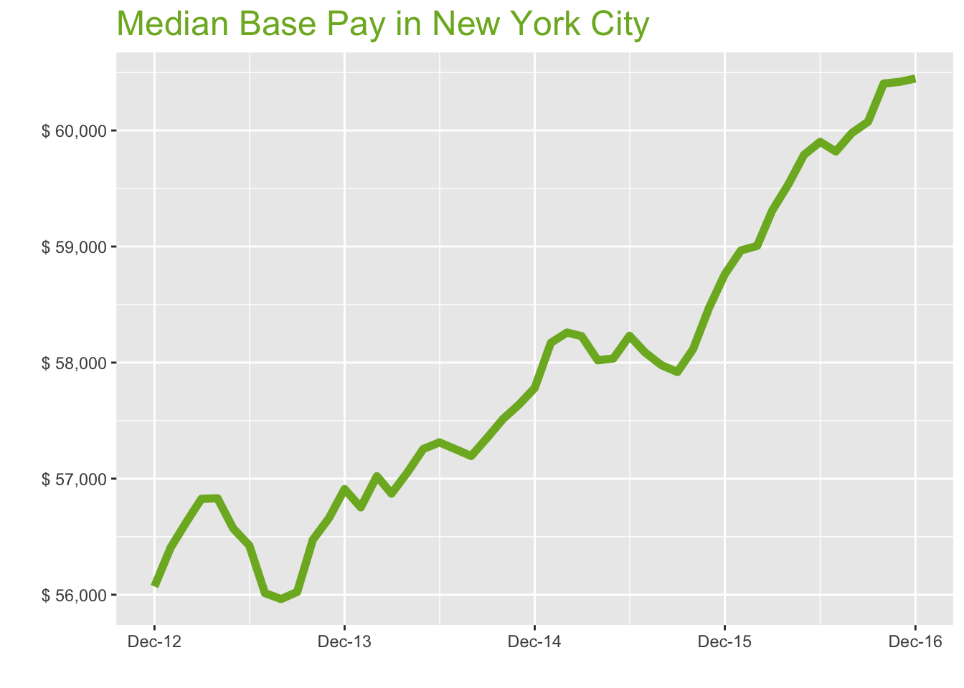
Dec-16

Job Title

Design
 | Median Base Pay | YoY
Graphic Designer | $58,590 | 5.5%
Education
 | Median Base Pay | YoY
Professor | $119,127 | -0.9%
Teacher | $62,830 | 5.3%
Engineering
 | Median Base Pay | YoY
Mechanical Engineer | $75,999 | -0.8%
Design Engineer | $81,948 | 2.1%
Electrical Engineer | $82,547 | 3.1%
Quality Engineer | $77,951 | -2.4%
Field Engineer | $77,718 | 2.2%
Finance
 | Median Base Pay | YoY
Financial Analyst | $74,765 | -0.1%
Accountant | $63,442 | 4.4%
Bank Teller | $30,993 | 3.2%
Tax Manager | $115,016 | 0.5%
Insurance Agent | $39,182 | 0.8%
Health
 | Median Base Pay | YoY
Registered Nurse | $85,985 | 4.0%
Physical Therapist | $80,653 | 4.2%
Pharmacy Technician | $30,247 | 5.7%
Medical Assistant | $38,598 | 3.3%
Physician | $236,519 | 2.8%
Medical Technologist | $61,385 | -0.7%
Emergency Medical Technician | $38,119 | 2.1%
Human Resources
 | Median Base Pay | YoY
Recruiter | $61,716 | 7.2%
Human Resources Manager | $88,425 | 0.6%
Labor
 | Median Base Pay | YoY
Technician | $52,779 | 5.2%
Warehouse Associate | $39,785 | 7.8%
Truck Driver | $56,340 | 2.3%
Machine Operator | $39,045 | 8.1%
Construction Laborer | $43,883 | 10.0%
Maintenance Worker | $41,800 | 4.6%
Law
 | Median Base Pay | YoY
Attorney | $129,007 | 5.3%
Paralegal | $53,054 | 3.4%
Manufacturing
 | Median Base Pay | YoY
Production Manager | $77,749 | 4.4%
Manufacturing Engineer | $72,322 | 1.6%
Media
 | Median Base Pay | YoY
Producer | $81,857 | 7.0%
Technical Editor | $60,592 | 2.8%
Operations
 | Median Base Pay | YoY
Operations Manager | $75,185 | 5.4%
Operations Analyst | $73,280 | 3.9%
Professional Services
 | Median Base Pay | YoY
Consultant | $93,491 | 2.0%
Project Manager | $89,371 | 1.3%
Business Analyst | $78,696 | 2.2%
Administrative Assistant | $47,612 | 2.0%
Marketing Manager | $82,351 | 3.9%
Product Manager | $112,984 | 6.8%
Customer Service Manager | $58,236 | 8.0%
Business Development Manager | $84,352 | 4.7%
Communications Manager | $78,823 | -1.2%
Real Estate
 | Median Base Pay | YoY
Property Manager | $62,402 | 4.6%
Food Services
 | Median Base Pay | YoY
Restaurant Cook | $32,860 | 3.3%
Retail
 | Median Base Pay | YoY
Store Manager | $56,293 | 4.0%
Cashier | $29,782 | 5.0%
Buyer | $69,332 | 1.5%
Retail Key Holder | $37,291 | 5.9%
Sales
 | Median Base Pay | YoY
Sales Representative | $54,410 | 3.8%
Sales Manager | $74,196 | 3.5%
Technology
 | Median Base Pay | YoY
Software Engineer | $105,039 | 1.1%
Programmer Analyst | $75,422 | 0.5%
Web Developer | $83,104 | 3.3%
Data Scientist | $114,786 | 3.9%
Data Analyst | $71,915 | 6.2%
Java Developer | $86,492 | 2.1%
Web Designer | $74,452 | 5.2%

New York City Quick Facts

 | Dec-16 | YoY
New York City Median Pay | $60,448 | 2.9%
U.S. Median Pay | $51,750 | 2.7%
Job Openings | 252,478 | 18.1%
 | Oct-16 | YoY
Labor Force Size* | 10,042,266 | -0.3%
Total Employment* | 9,543,436 | -0.5%
Unemployment Rate* | 5% | 0.3%

Industry

 | Median Base Pay
Accounting & Legal | $60,914
Aerospace & Defense | $65,490
Architecture & Civil Engineering | $62,052
Arts & Entertainment | $53,777
Automotive | $54,749
Banking & Financial Services | $60,204
Beauty & Fitness | $53,097
Biotech & Pharmaceuticals | $64,502
Business Services | $57,565
Computer Software & Hardware | $61,958
Construction | $60,755
Consulting | $61,615
Consumer Electronics | $51,713
Consumer Services | $54,907
Education & Schools | $54,374
Energy & Utilities | $67,652
Facilities | $54,606
Farming & Agriculture | $60,561
Government | $60,052
Health Care & Hospitals | $58,133
Information Technology | $60,256
Insurance | $60,540
Internet & Tech | $60,398
Manufacturing | $61,236
Marketing & Advertising | $56,768
Media & Publishing | $58,243
Nonprofit | $54,000
Private Security | $54,823
Real Estate | $57,242
Recruiting & Staffing | $56,847
Restaurants & Bars | $53,368
Retail | $54,566
Supermarkets | $54,607
Telecommunications | $58,897
Transportation & Logistics | $57,336
Travel & Tourism | $54,346
Wholesale | $59,097

Employer Size

 | Median Base Pay
<51 | $55,063
51-200 | $56,463
201-500 | $57,416
501-1000 | $58,286
1001-5000 | $59,885
5000+ | $60,978

